Sheet
 |  | Symbol: | Name: | Retail | Color | Size | Composition | AVALIBALE QTY
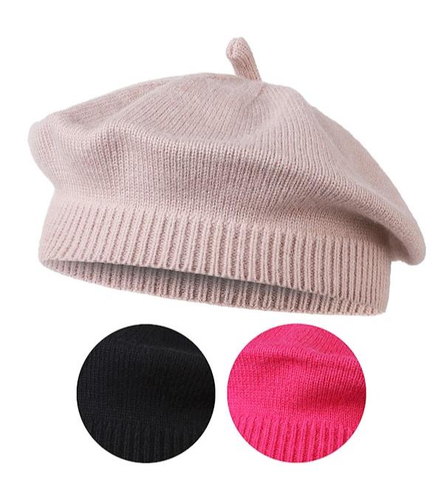 | 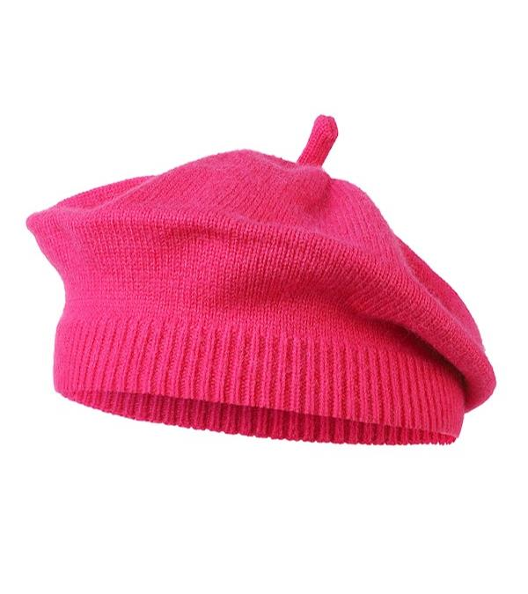 | DCZ1000-838 | BERET | 12.00 zł | BEIGE, BEIGE', BLACK, BLACK', ORANGE, RED | UNI | 100% akryl / acrylic | 715
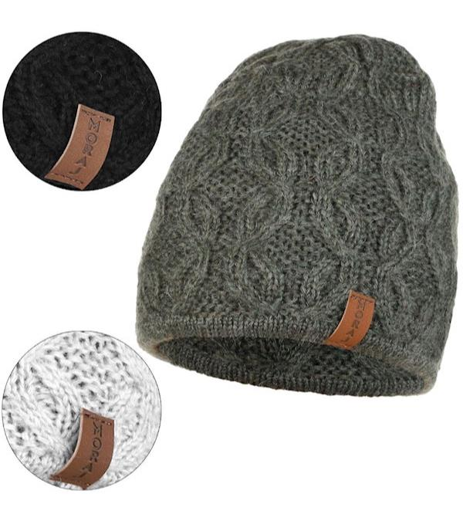 | 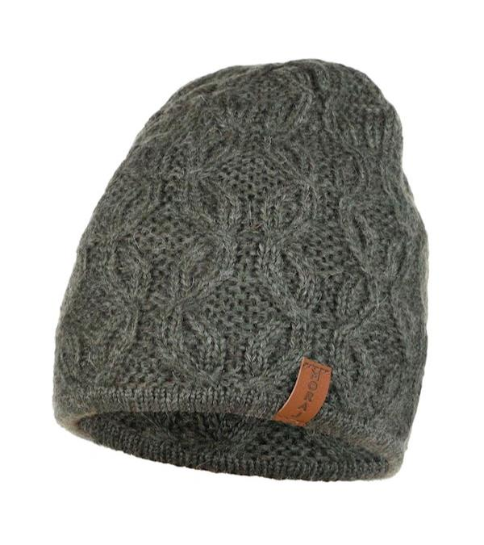 | DCZ2100-005 | HAT | 21.00 zł | MIX KOLOR | UNI | 55% akryl / acrylic; 20% poliester / polyester; 18% wełna / wool; 7% poliamid / polyamide | 2939
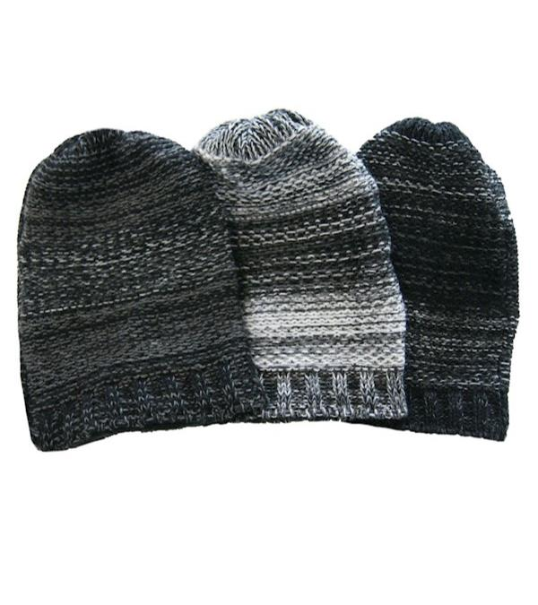 | 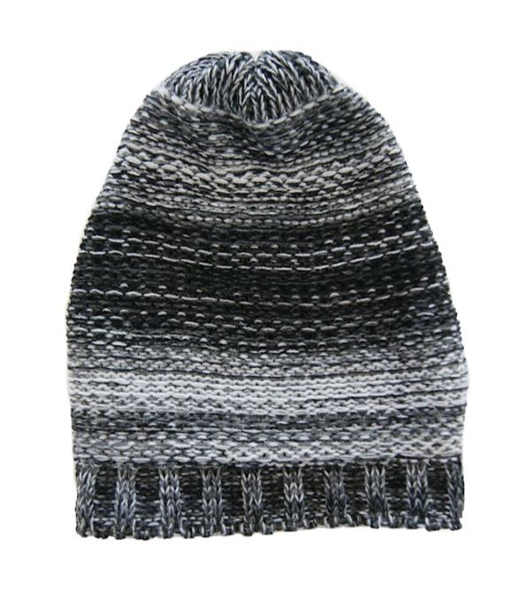 | DCZ900-101 | HAT | 9.00 zł | MIX KOLOR | UNI | 100% akryl / acrylic; podszewka / lining: 100% poliester / polyester | 612
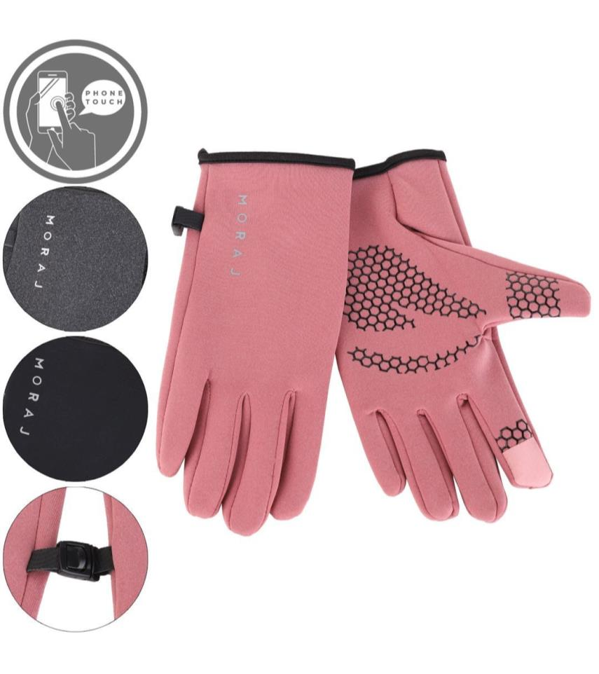 | 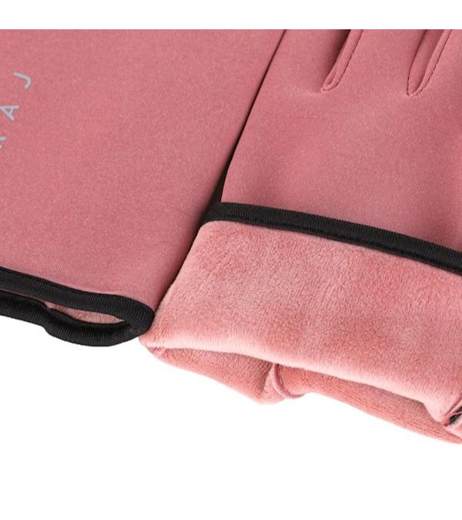 | RRD1300-014 | GLOVES | 14.00 zł | MIX KOLOR | UNI | 95% poliester / polyester; 5% elastan / elastane | 1064
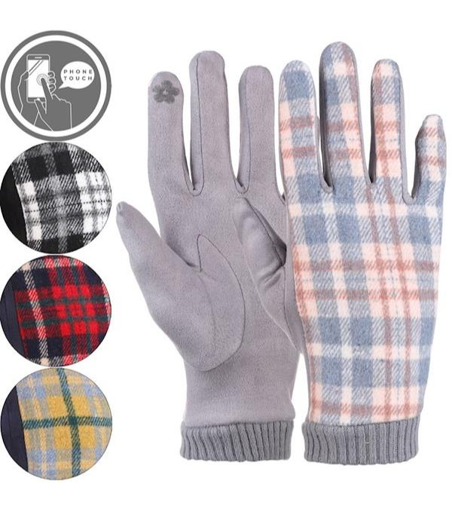 | 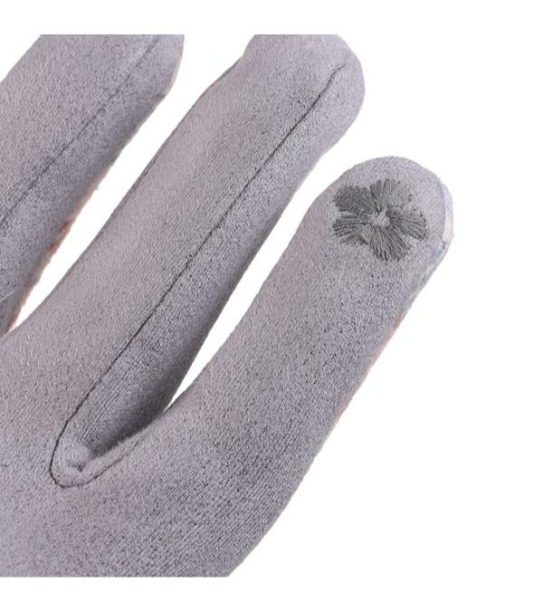 | RRD1400-006 | GLOVES | 14.00 zł | MIX KOLOR | UNI | 95% poliester / polyester; 5% elastan / elastane | 1080
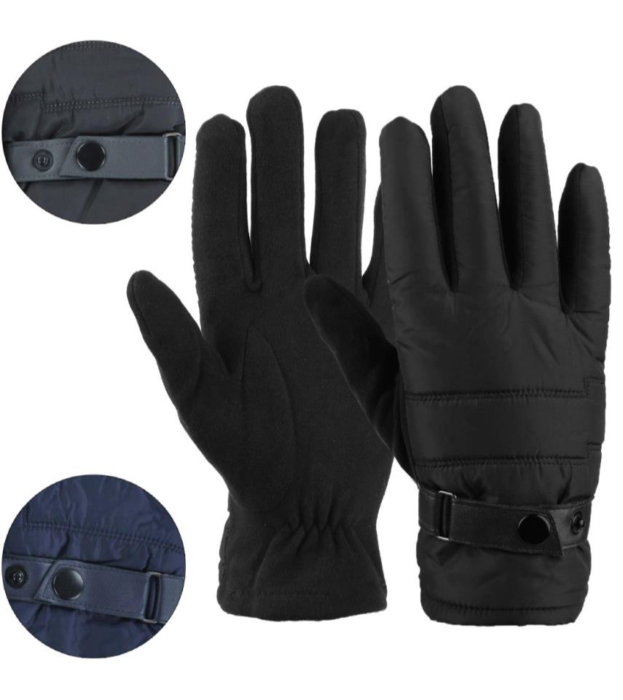 | 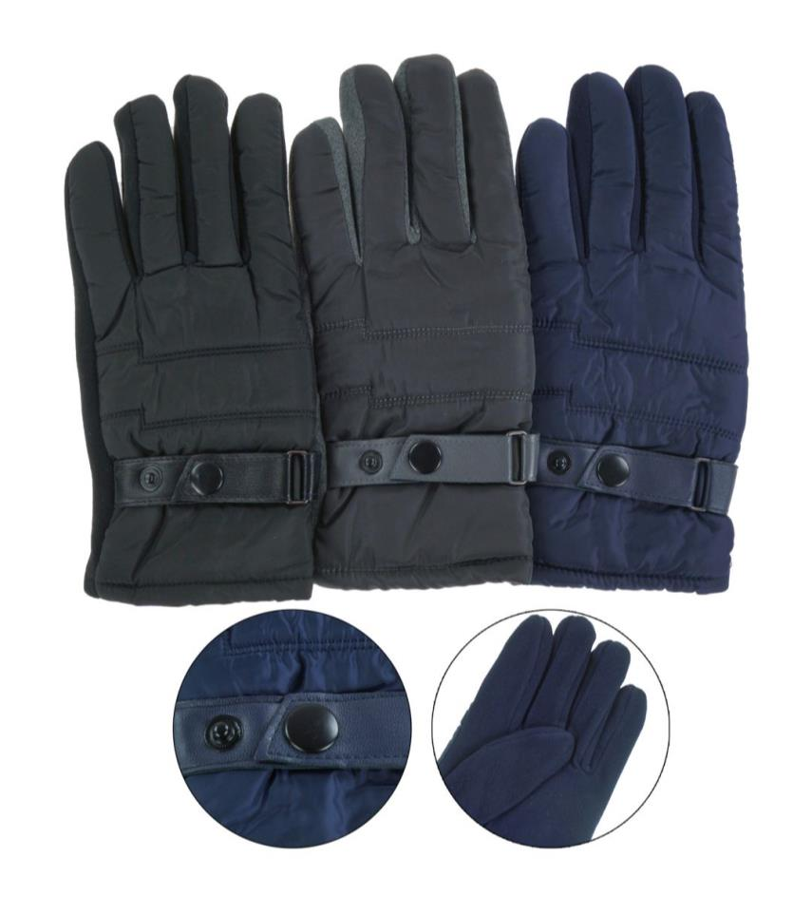 | RRM1200-001 | GLOVES | 13.00 zł | BLACK, MIX KOLOR, NAVY | L/XL, M. ROZMIAR, M/L | 70% poliester / polyester; 30% bawełna / cotton | 1748
 |  |  |  |  |  |  |  | 8158

